solution
cutoff | 14
database | Water_39 |  |  |  |  |  |  |  |  |  |  |  | Indicator value | Reliability | Completeness | Temporal correlation | Geographical correlation | Technical correlation
year | 2023 |  |  |  |  |  |  |  |  |  |  |  | 1 | 1 | 1 | 1 | 1 | 1
comments | compatible with ecoinvent 3.9.1 |  |  |  |  |  |  |  |  |  |  |  | 2 | 1.05 | 1.02 | 1.03 | 1.01 | 1.05
Activity | Water_US |  |  |  |  |  |  |  |  |  |  |  | 3 | 1.1 | 1.05 | 1.1 | 1.02 | 1.2
reference product | Water_US |  |  |  |  |  |  |  |  |  |  |  | 4 | 1.2 | 1.1 | 1.2 | 1.05 | 1.5
code | water_RO_US |  |  |  |  |  |  |  |  |  |  |  | 5 | 1.5 | 1.2 | 1.5 | 1.1 | 2
location | US
amount | 1
unit | kg
Exchanges |  |  |  |  |  |  |  |  |  |  |  |  |  |  |  |  |  |  |  | 0 | 1 | 2 | 3 | 4
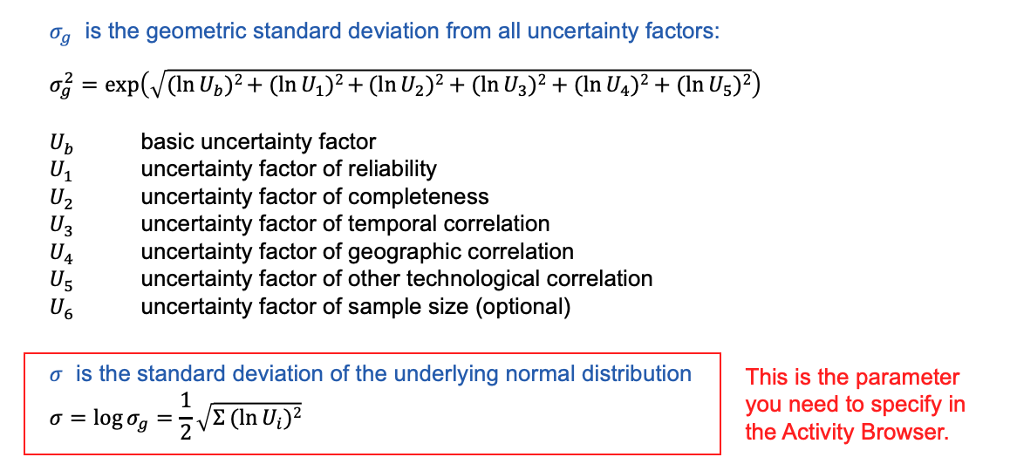
name | reference product | location | amount | unit | database | type | categories | uncertainty type | loc | scale | minimum | maximum |  | Reliability | Completeness | Temporal correlation | Geographical correlation | Technical correlation | Reliability | Completeness | Temporal correlation | Geographical correlation | Technical correlation | 𝜎 | µ | Triangular distribution
Water_US | Water_US | US | 1 | kilogram | Water_39 | production
electricity production, deep geothermal | electricity, high voltage | US-WECC | 0.007206 | kilowatt hour | cutoff391 | technosphere |  | 2 | -4.9328412667 | 0.26134719937 |  |  |  | 4 | 5 | 5 | 5 | 3 | 1.2 | 1.2 | 1.5 | 1.1 | 1.2 | 0.26134719937 | -4.9328412667
Water, unspecified natural origin |  |  | 0.00025 | cubic meter | biosphere3 | biosphere | natural resource::in ground | 2 | -8.2940496401 | 0.26134719937 |  |  |  | 4 | 5 | 5 | 5 | 3 | 1.2 | 1.2 | 1.5 | 1.1 | 1.2 | 0.26134719937 | -8.2940496401
market for wastewater, average | wastewater, average | RoW | -0.00025 | cubic meter | cutoff391 | technosphere |  | 2 | -8.2940496401 | 0.26134719937 |  |  |  | 4 | 5 | 5 | 5 | 3 | 1.2 | 1.2 | 1.5 | 1.1 | 1.2 | 0.26134719937 | -8.2940496401

Activity | Water_RO
reference product | Water_RO
code | water_RO_DE
location | DE
amount | 1
unit | kg
Exchanges |  |  |  |  |  |  |  |  |  |  |  |  |  |  |  |  |  |  |  | 0 | 1 | 2 | 3 | 4
name | reference product | location | amount | unit | database | type | categories | uncertainty type | loc | scale | minimum | maximum |  | Reliability | Completeness | Temporal correlation | Geographical correlation | Technical correlation | Reliability | Completeness | Temporal correlation | Geographical correlation | Technical correlation | 𝜎 | µ | Triangular distribution
Water_RO | Water_RO | DE | 1 | kilogram | Water_39 | production
electricity production, deep geothermal | electricity, high voltage | DE | 0.007206 | kilowatt hour | cutoff391 | technosphere |  | 2 | -4.9328412667 | 0.26134719937 |  |  |  | 4 | 5 | 5 | 5 | 3 | 1.2 | 1.2 | 1.5 | 1.1 | 1.2 | 0.26134719937 | -4.9328412667
Water, unspecified natural origin |  |  | 0.00025 | cubic meter | biosphere3 | biosphere | natural resource::in ground | 2 | -8.2940496401 | 0.26134719937 |  |  |  | 4 | 5 | 5 | 5 | 3 | 1.2 | 1.2 | 1.5 | 1.1 | 1.2 | 0.26134719937 | -8.2940496401
market for wastewater, average | wastewater, average | RoW | -0.00025 | cubic meter | cutoff391 | technosphere |  | 2 | -8.2940496401 | 0.26134719937 |  |  |  | 4 | 5 | 5 | 5 | 3 | 1.2 | 1.2 | 1.5 | 1.1 | 1.2 | 0.26134719937 | -8.2940496401

Activity | Water_US_m
reference product | Water_US_m
code | water_RO_US_m
location | US
amount | 1
unit | kg
Exchanges |  |  |  |  |  |  |  |  |  |  |  |  |  |  |  |  |  |  |  | 0 | 1 | 2 | 3 | 4
name | reference product | location | amount | unit | database | type | categories | uncertainty type | loc | scale | minimum | maximum |  | Reliability | Completeness | Temporal correlation | Geographical correlation | Technical correlation | Reliability | Completeness | Temporal correlation | Geographical correlation | Technical correlation | 𝜎 | µ
Water_US_m | Water_US_m | US | 1 | kilogram | Water_39 | production
market for electricity, high voltage | electricity, high voltage | US-WECC | 0.007206 | kilowatt hour | cutoff391 | technosphere |  | 2 | -4.9328412667 | 0.26134719937 |  |  |  | 4 | 5 | 5 | 5 | 3 | 1.2 | 1.2 | 1.5 | 1.1 | 1.2 | 0.26134719937 | -4.9328412667
Water, unspecified natural origin |  |  | 0.00025 | cubic meter | biosphere3 | biosphere | natural resource::in ground | 2 | -8.2940496401 | 0.26134719937 |  |  |  | 4 | 5 | 5 | 5 | 3 | 1.2 | 1.2 | 1.5 | 1.1 | 1.2 | 0.26134719937 | -8.2940496401
market for wastewater, average | wastewater, average | RoW | -0.00025 | cubic meter | cutoff391 | technosphere |  | 2 | -8.2940496401 | 0.26134719937 |  |  |  | 4 | 5 | 5 | 5 | 3 | 1.2 | 1.2 | 1.5 | 1.1 | 1.2 | 0.26134719937 | -8.2940496401

Activity | Geothermal heat
reference product | Geothermal heat
code | geo_heat
location | US-WECC
amount | 1
unit | megajoule
Exchanges |  |  |  |  |  |  |  |  |  |  |  |  |  |  |  |  |  |  |  | 0 | 1 | 2 | 3 | 4
name | reference product | location | amount | unit | database | type | categories | uncertainty type | loc | scale | minimum | maximum |  | Reliability | Completeness | Temporal correlation | Geographical correlation | Technical correlation | Reliability | Completeness | Temporal correlation | Geographical correlation | Technical correlation | 𝜎 | µ
Geothermal heat | Geothermal heat | US-WECC | 3.6 | megajoule | Water_39 | production
electricity production, deep geothermal | electricity, high voltage | US-WECC | 0.15 | kilowatt hour | cutoff391 | technosphere |  | 2 | -1.8971199849 | 0.4614060311 |  |  |  | 5 | 5 | 5 | 5 | 5 | 1.5 | 1.2 | 1.5 | 1.1 | 2 | 0.4614060311 | -1.8971199849

Activity | Geothermal heat
reference product | Geothermal heat
code | geo_heat_DE
location | DE
amount | 1
unit | megajoule
Exchanges |  |  |  |  |  |  |  |  |  |  |  |  |  |  |  |  |  |  |  | 0 | 1 | 2 | 3 | 4
name | reference product | location | amount | unit | database | type | categories | uncertainty type | loc | scale | minimum | maximum |  | Reliability | Completeness | Temporal correlation | Geographical correlation | Technical correlation | Reliability | Completeness | Temporal correlation | Geographical correlation | Technical correlation | 𝜎 | µ
Geothermal heat | Geothermal heat | DE | 3.6 | megajoule | Water_39 | production
electricity production, deep geothermal | electricity, high voltage | DE | 0.15 | kilowatt hour | cutoff391 | technosphere |  | 2 | -1.8971199849 | 0.4614060311 |  |  |  | 5 | 5 | 5 | 5 | 5 | 1.5 | 1.2 | 1.5 | 1.1 | 2 | 0.4614060311 | -1.8971199849

Activity | Water_DE_m
reference product | Water_DE_m
code | water_RO_DE_m
location | DE
amount | 1
unit | kg
Exchanges |  |  |  |  |  |  |  |  |  |  |  |  |  |  |  |  |  |  |  | 0 | 1 | 2 | 3 | 4
name | reference product | location | amount | unit | database | type | categories | uncertainty type | loc | scale | minimum | maximum |  | Reliability | Completeness | Temporal correlation | Geographical correlation | Technical correlation | Reliability | Completeness | Temporal correlation | Geographical correlation | Technical correlation | 𝜎 | µ
Water_DE_m | Water_DE_m | DE | 1 | kilogram | Water_39 | production
market for electricity, high voltage | electricity, high voltage | DE | 0.007206 | kilowatt hour | cutoff391 | technosphere |  | 2 | -4.9328412667 | 0.26134719937 |  |  |  | 4 | 5 | 5 | 5 | 3 | 1.2 | 1.2 | 1.5 | 1.1 | 1.2 | 0.26134719937 | -4.9328412667
Water, unspecified natural origin |  |  | 0.00025 | cubic meter | biosphere3 | biosphere | natural resource::in ground | 2 | -8.2940496401 | 0.26134719937 |  |  |  | 4 | 5 | 5 | 5 | 3 | 1.2 | 1.2 | 1.5 | 1.1 | 1.2 | 0.26134719937 | -8.2940496401
market for wastewater, average | wastewater, average | RoW | -0.00025 | cubic meter | cutoff391 | technosphere |  | 2 | -8.2940496401 | 0.26134719937 |  |  |  | 4 | 5 | 5 | 5 | 3 | 1.2 | 1.2 | 1.5 | 1.1 | 1.2 | 0.26134719937 | -8.2940496401

